Sheet1
 |  | Document No. | Issue No. | Issue Date |  | Review and Replace Date |  | Authorised By
 |  | GFF292MC | 2 | 12.04.2021 |  | 28.12.2021 |  | Magda Shah
 |  | Document Title | 20 Vegetable Samosa Large 2000g

Document amendments reason for change |  | Film Updated | Page 1 of 1 |  | Previous Issue Date |  | 12.04.2021 | Uncontrolled copy unless signed original

CVSAL-B20T | GAZEBO |  | 20 Vegetable Samosa Large 2000g
STEP 1 |  |  |  |  | STEP 2
 |  |  |  |  | 

Tray: H320/100-CLEAR (554) (PKNUT001-06) |  |  |  |  | Vegetable Samosa Large 100g (GFF003R): 20 Pieces (2000g)
Film: S340AF(PE) 340mmX510m (PKPRO001-17)
STEP 3
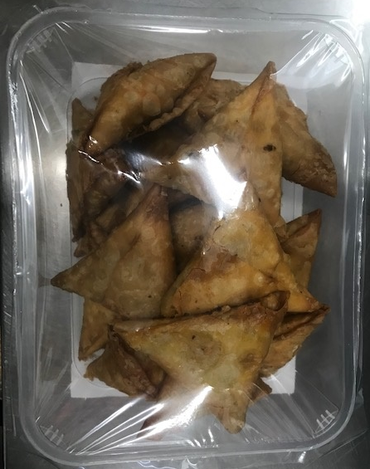

TOTAL WEIGHT: 2000g

ALLERGY ALERT: WHEAT

